CTAS vs Offset (Answer)
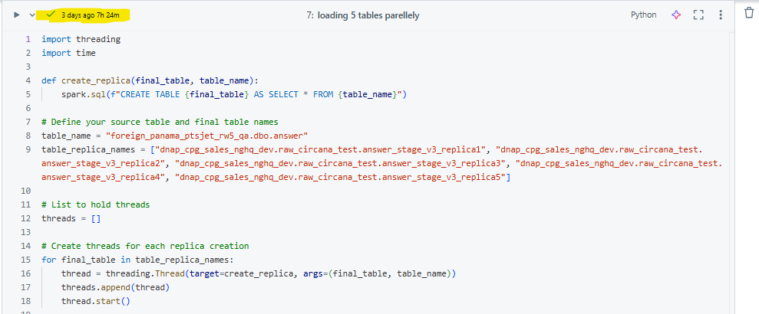
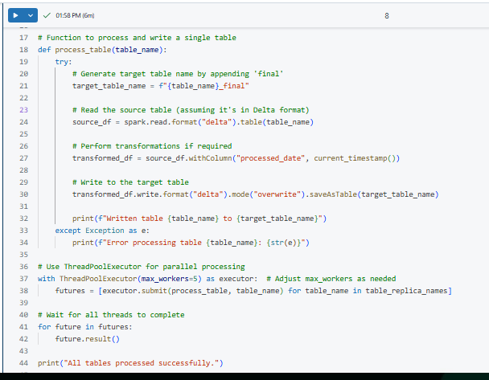
1 | Pulling the data in chunks and merging all the chunked DF in a DataFrame, write this merged DataFrame to a target table
Observation | While writing the merged DataFrame it's running for a while.

 |  | SELECT * FROM {source_table} LIMIT {batch_size} OFFSET {start_offset};

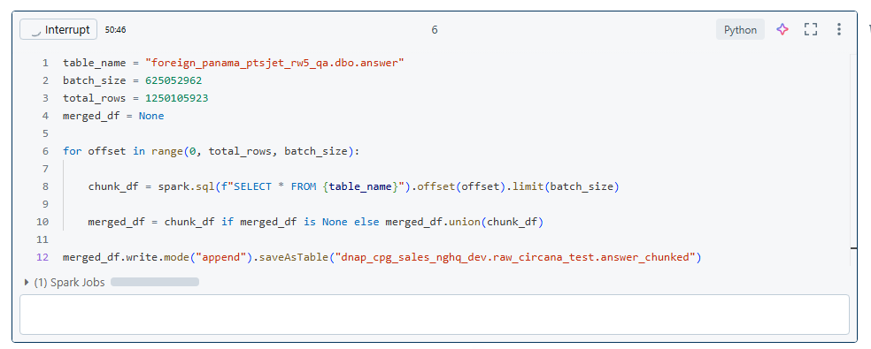

2 | Pulling the data in chunks and writing the chunked data in a stagging table in a loop, and finally performing all the Raw Layer operations on the stagging table,
 | and write it to the target table

 |  | SELECT * FROM {source_table} LIMIT {batch_size} OFFSET {start_offset};

Observation | Did 3 runs for the same approach - |  | 1 | 14 hours of execution time and the job got cancelled
 |  |  | 2 | 4 hours 22 min of execution time
 |  |  | 3 | 4 hours 57 min of execution time
 | 1st run |  |  |  | 2nd run |  | 3rd run
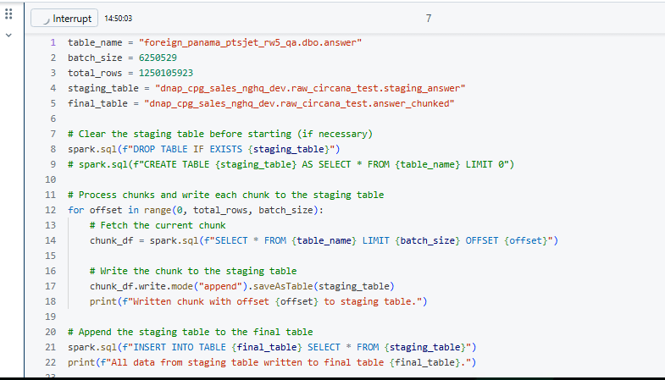
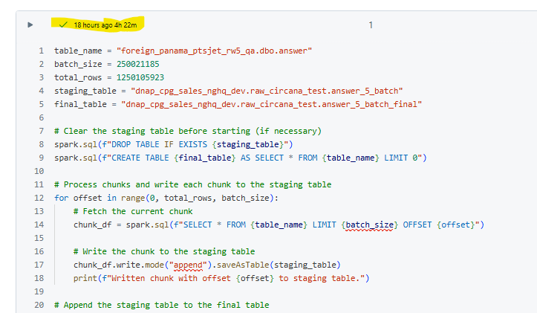
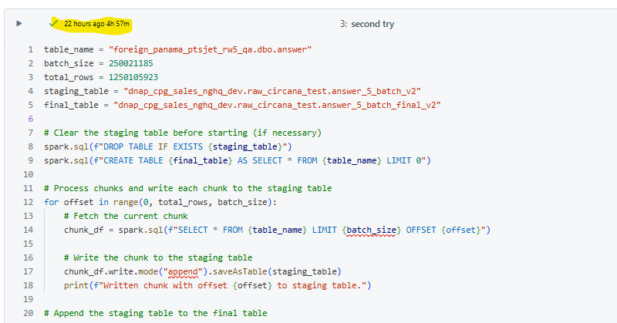

3 | Create a direct replica of the source & then writing the replicated table to the Raw table

 | spark.sql(f"CREATE TABLE {StageTable} AS SELECT * FROM {SourceTable}")

 | 1st run |  |  |  |  | 2nd run
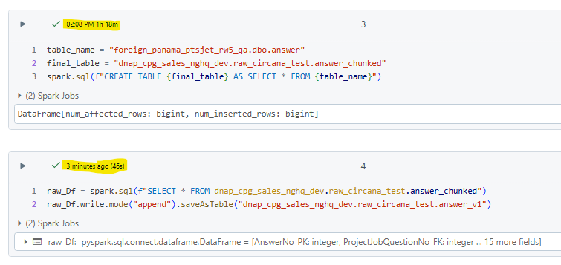
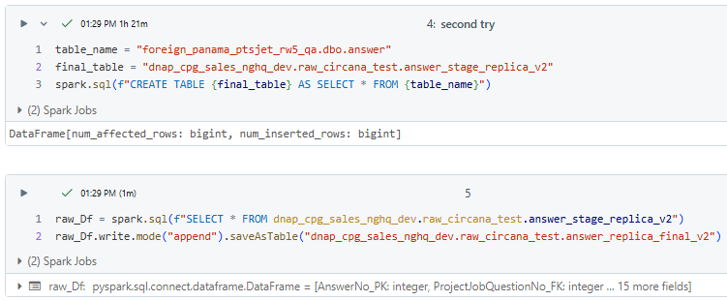

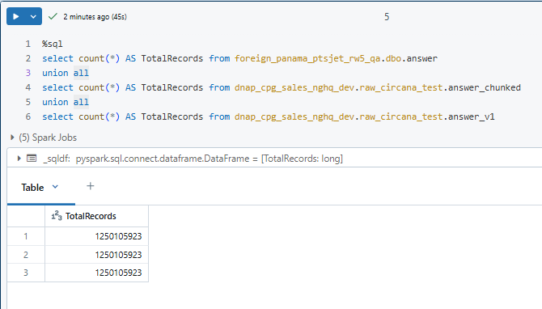
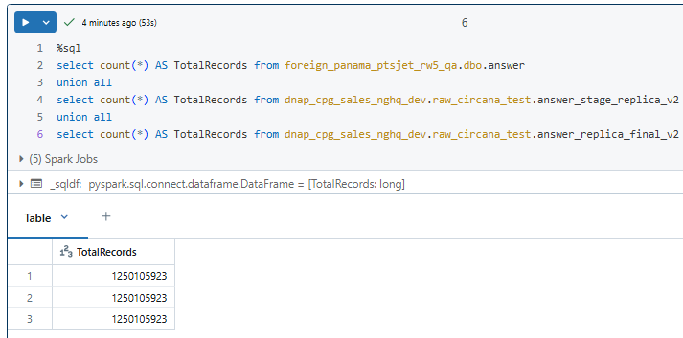

 | Loaded same source table to 5 target tables parallely and it took just 7 hours

CTAS vs Offset (zzAudit_Time)
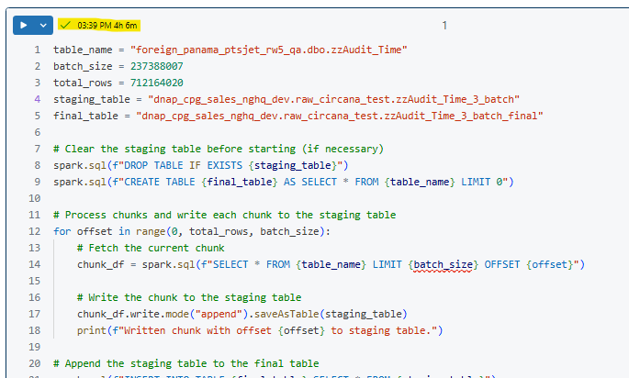
1 | Create a direct replica of the source & then writing the replicated table to the Raw table

 |  | spark.sql(f"CREATE TABLE {StageTable} AS SELECT * FROM {SourceTable}")

 | Table Name - zzAudit_Time

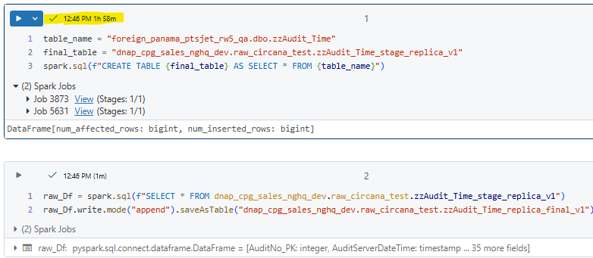

2 | Pulling the data in chunks and writing the chunked data in a stagging table in a loop, and finally performing all the Raw Layer transformation on the stagging table,
 | and write it to the target table

